Sheet1
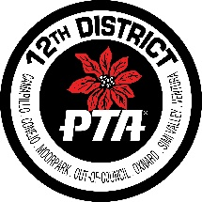 12th District Out-of-Council Unit Remittance Form
 |  |  |  |  |  |  |  |  | Date:
Unit Name |  |  |  |  |  |  | State PTA ID #
Unit Address |  |  |  |  |  |  | City/Zip
Council |  | Out-of-Council |  |  |  |  | District PTA |  |  | 12th District
Total Membership on this report:

 | ITEM DESCRIPTION |  |  |  |  |  |  |  | AMOUNT
 | Membership Dues: # |  | @ | $4.75 |  |  |  |  | 0.00
 | (District, State, National PTA portions)
 | Insurance Premium ($232.00 due to District by 11/15):
 | $25 Late Charge Insurance (if paid after 11/15):
 | Founder Day Freewill Offering:
 | Membership Envelopes:
 | Other:

 | Check#: |  |  |  |  | TOTAL |  |  | 0.00

Treasurer: |  |  |  |  |  |  |  | Phone:
Address:
City/Zip: |  |  |  |  | E-mail:
Make Check Payable to: |  |  | 12th District PTA
Mail to 12th District Treasurer: |  |  | Laura Ann Hawk-Loya
Address: |  | 4390 N Ashtree Street |  |  |  | City/Zip: | Moorpark, CA 93021

All checks must have TWO SIGNATURES

Make a copy for your records.

Received by: |  |  |  |  |  |  |  |  | Date:

